Sheet1
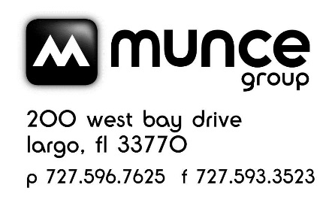

 |  |  | MUNCE POST SALE CREDIT - EASTER CATALOG - MARCH 2024 VENDOR - G.T. Luscombe

MUNCE - EASTER CATALOG - MARCH 2024 CATALOG POTENTIAL POST SALE CREDIT
Incorrect sale price was in the March Easter 2024 Catalog for the 10 pc. Inductive Bible Study Kit. Sale price should have been $7.97, but was in the catalog as $3.97.
Page # | Vendor | ISBN | Product | Price in Catalog | Sale Price | Available Credit | # Sold | Amount to be reported to Munce | Notes
22 | G.T. Luscombe | 634989310104 | 10 pc. Inductive Bible Study Kit | $3.97 | $7.97 | $4.00 |  | $- | $4 credit back per 10 pc. Inductive Bible Study Kit sold.

 |  |  |  |  |  |  | TOTAL | $-

Store # |  |  |  |  |  |  |  |  | Email to: service@munce.com
Store Name |  |  |  |  |  |  |  |  | Fax to: 727-593-3523 or 855-815-9277
Contact Name |  |  |  |  |  |  |  |  | Must be received before: 4/30/24
Address |  |  |  |  |  |  |  |  | Call 800-868-4388 x109 w/questions
Address
City |  |  | State: | Zip:

