Sheet1
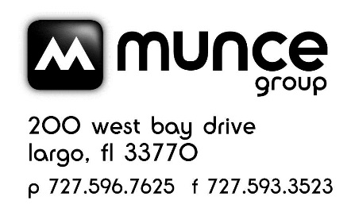

 |  |  | MUNCE POST SALE CREDIT - SPRING FLYER - APRIL 2024 VENDOR - Christian Art Gifts

MUNCE - SPRING FLYER - APRIL 2024 FLYER POST SALE CREDIT
Incorrect sale price in the April 2024 Flyer for the Bless You and Keep You Mug. The SRP should be $9.99, but was in the catalog ad as $5.99. Incorrect sale price in the April 2024 Flyer for the Bless You and Keep You Mom, Tumbler. The SRP should be $19.99, but was in the catalog ad as $9.99.
Page # | Vendor | ISBN | Product | Price in Catalog | SRP | Available Credit | # Sold | Amount to be reported to Munce | Notes
2 | Christian Art Gifts | 1220000322905 | Bless You and Keep You Mug | $5.99 | $9.99 | $4.00 |  | $- | $4 credit back per Bless You and Keep You Mug sold.
2 | Christian Art Gifts | 1220000322790 | Bless You and Keep You Mom, Tumbler (Best Mom Ever) | $9.99 | $19.99 | $10.00 |  | $- | $10 credit back per Bless You and Keep You Mom, Tumbler sold.

 |  |  |  |  |  |  | TOTAL | $-

Store # |  |  |  |  |  |  |  |  | Email to: service@munce.com
Store Name |  |  |  |  |  |  |  |  | Fax to: 727-593-3523 or 855-815-9277
Contact Name |  |  |  |  |  |  |  |  | Must be received before: 4/30/24
Address |  |  |  |  |  |  |  |  | Call 800-868-4388 x109 w/questions
Address
City |  |  | State: | Zip:

