GT Luscombe
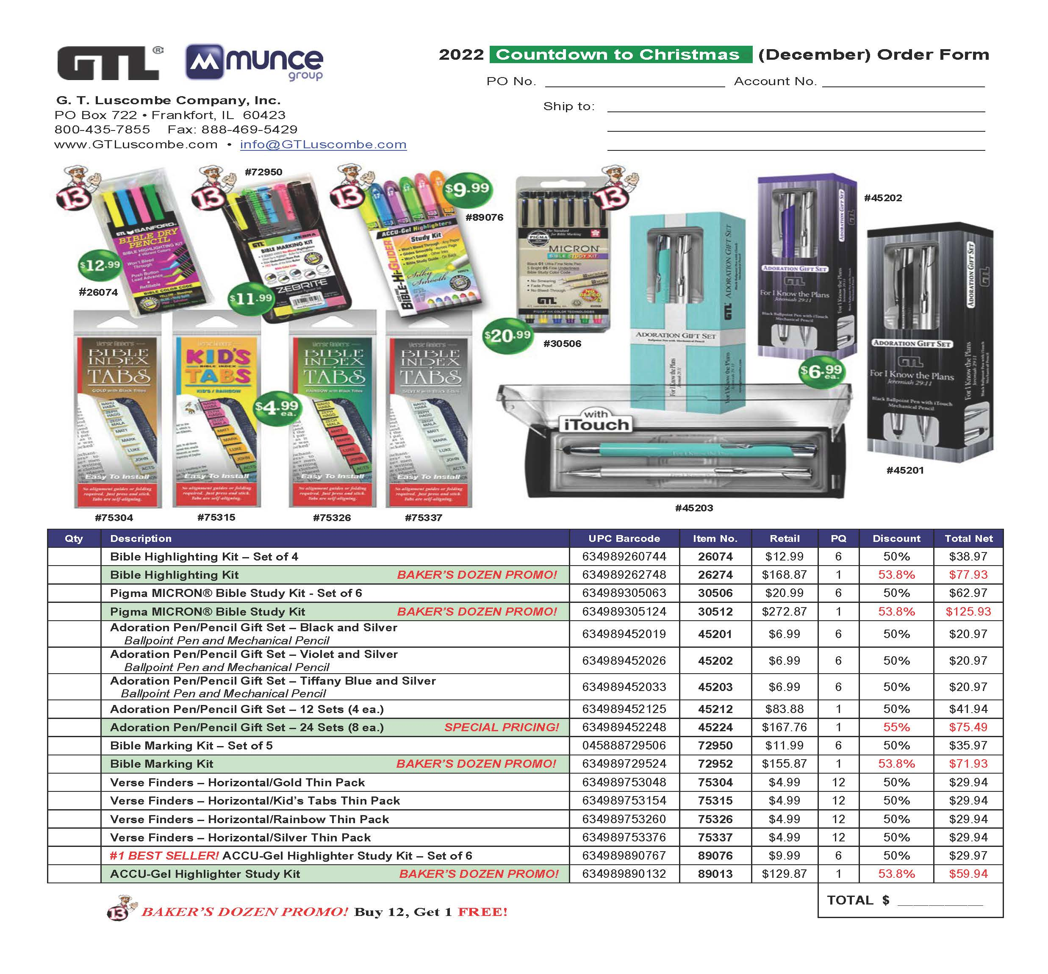

Tyndale

 | Tyndale House Publishers - Munce Countdown to Christmas 2022 Sale Catalog (Valid 11/28/22-12/31/22)
 |  |  |  | Please return your order to your Tyndale Sales Rep.
Notes: Orders with 50+ units to qualify for free-freight and 60-day billing.
Discounts for New Releases: 1-2 copies = 50%; 3-5 = 52%; 6+ = 55%. You may add additional products of your choice to the bottom of this form and they will receive 48% and ship free-freight . Items with a discount of 70% or greater are non-returnable.
Prices are subject to Change and Backlist backordered items cancel and are excluded from this promotion
Account #
Store Name
Address
City, State
Phone
 | Buyer |  |  |  |  | LL = Leather-Like; HC = Hardcover; SC = Softcover; LP = Large Print
 | Email
 | PO#
ISBN | QTY | Title | Author/Color | Regular Retail Price | Binding | Product Type | Sugg. Sale Price | Discount | Discount Start Date | Discount End Date | Comment
 |  | Bibles
 |  | Countdown to Christmas Bibles (11/28/22-12/31/22)
9781496449443 |  | One year Bible for Women |  | $29.99 | HC | Bible | $20.99 | 55% | 2022-09-01 | 2022-12-31 | 30% in catalog
9781496449504 |  | One Year Bible for Men |  | $29.99 | HC | Bible | $20.99 | 55% | 2022-09-01 | 2022-12-31 | 30% in catalog
9781414302041 |  | One Year Bible NLT |  | $18.99 | SC | Bible | $13.29 | 55% | 2022-09-01 | 2022-12-31 | 30% in catalog
9781496443694 |  | One Year Bible ESV |  | $18.99 | SC | Bible | $13.29 | 55% | 2022-09-01 | 2022-12-31 | 30% in catalog
 |  | Additional titles of your choosing…

