Sheet1
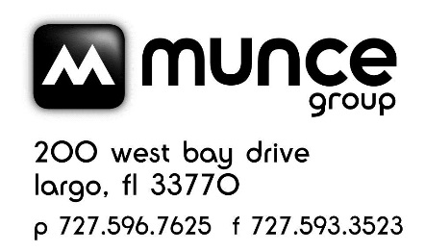

MUNCE - BACK TO BASICS - AUGUST 2023 CATALOG PRICING ERROR
ONLY FOR STORES THAT PARTICIPATED IN THE BACK TO BASICS - AUGUST 2023 CATALOG
Page # | Vendor | ISBN | Product | Price in Catalog | Price Should be | Credit | # Sold | Munce Adj to your acct. | Notes
4 | Carson | 096069571605 | Sunshine Lantern | $20.99 | $29.99 | $9.00 |  | $- | Incorrect sale price

 |  |  |  |  |  | TOTAL |  | $-
Store #
Store Name |  |  |  |  |  |  |  | Email to: service@munce.com
Contact Name |  |  |  |  |  |  |  | Fax to: 727-593-3523 or 855-815-9277
Address |  |  |  |  |  |  |  | Must be received before: 9/30/23
Address |  |  |  |  |  |  |  | Call 800-868-4388 x109 w/questions
City |  |  | State: | Zip: |  |  |  | AUGUST 2023 CATALOG PARTICIPANTS ONLY!

