GTL
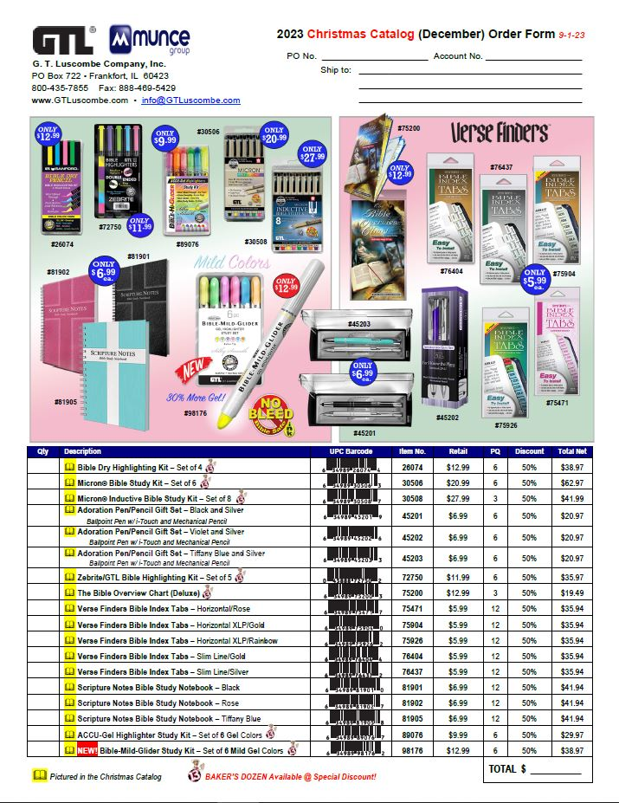

Tyndale
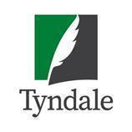
 | Tyndale House Publishers - Munce Christmas Catalogs 2023 (Valid 10/30/23-12/31/23)
 |  |  |  | Please return your order to your Tyndale Sales Rep.
Notes: Orders with 50+ units to qualify for free-freight and 60-day billing.
Discounts for New Releases: 1-2 copies = 50%; 3-5 = 52%; 6+ = 55%. You may add additional products of your choice to the bottom of this form and they will receive 48% and ship free-freight . Items with a discount of 70% or greater are non-returnable.
Prices are subject to Change and Backlist backordered items cancel and are excluded from this promotion
Account #
Store Name
Address
City, State
Phone
 | Buyer
 | Email |  |  |  |  | LL = Leather-Like; HC = Hardcover; SC = Softcover; LP = Large Print
 | PO#
ISBN | QTY | Title | Author/Color | Regular Retail Price | Binding | Product Type | Sugg. Sale Price | Discount | Discount Start Date | Discount End Date | Comment
 |  | Christmas Sale Catalog (10/30-12/23/23)
9781641586894 |  | Big Feelings Days | Aubrey Sampson | $16.99 | Hardcover | Kids | 25% | 3 units@60% |  | 2023-12-31
9781496473608 |  | Finding Grace | Larry Randoph, Jennifer Bleakley | $17.99 | Softcover | Non-Fiction | 25% | 1-2 copies = 50%; 3-5 = 52%; 6+ = 55%. |  | 2023-12-31
9781496479907 |  | Imagine the God of Heaven | John Burke | $17.99 | Softcover | Non-Fiction | 25% | 1-2 copies = 50%; 3-5 = 52%; 6+ = 55%. |  | 2023-12-31
9781496475428 |  | NLT Chronological LASB Second Edition | Heritage Oak Brown | $84.99 | Leatherlike | Bible | 40% | 3 units@60% | 9/1/23 | 2023-12-31
9781496475435 |  | NLT Chronological LASB Second Edition | Palm Forest Teal | $84.99 | Leatherlike | Bible | 40% | 3 units@60% | 9/1/23 | 2023-12-31
9781496475565 |  | NLT Courage for Life Study Bible for Men | Onyx Lion | $54.99 | Leatherlike | Bible | 40% | 3 units@65% | 9/1/23 | 2023-12-31
9781496475558 |  | NLT Courage for Life Study Bible for Men | Rustic Brown Lion | $54.99 | Leatherlike | Bible | 40% | 3 units@65% | 9/1/23 | 2023-12-31
9781496452856 |  | NLT Courage for Life Study Bible for Women | Brushed Aqua Blue | $54.99 | Leatherlike | Bible | 40% | 3 units@65% | 9/1/23 | 2023-12-31
9781496477705 |  | NLT Courage for Life Study Bible for Women | Fierce Pink | $54.99 | Leatherlike | Bible | 40% | 3 units@65% | 9/1/23 | 2023-12-31
9781496449634 |  | NLT Student Life Application Filament Enabled | Charcoal Gray Striped | $49.99 | Leatherlike | Bible | 30% | 3 units@65% | 9/1/23 | 2023-12-31 | Also pictured in the Countdown to Christmas catalog
9781496449610 |  | NLT Student Life Application Filament Enabled | Teal Blue Striped | $49.99 | Leatherlike | Bible | 30% | 3 units@65% | 2023-10-01 | 2023-12-31
9781496477941 |  | NLT Thrive Devotional Bible for Women | Cascade Deep Brown | $49.99 | Leatherlike | Bible | 30% | 3 units@60% | 2023-09-01 | 2023-12-31
 |  | Additional titles of your choosing…

