UPDATED Tyndale
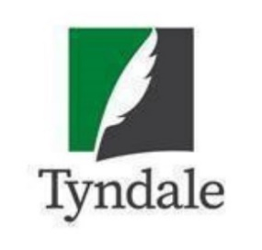
 | Tyndale House Publishers - Munce Twelve Days Insert 2022 Sale Catalogs (Valid 12/9/22)
 |  |  |  | Please return your order to your Tyndale Sales Rep.
Notes: Orders with 50+ units to qualify for free-freight and 60-day billing.
Discounts for New Releases: 1-2 copies = 50%; 3-5 = 52%; 6+ = 55%. You may add additional products of your choice to the bottom of this form and they will receive 48% and ship free-freight . Items with a discount of 70% or greater are non-returnable.
Prices are subject to Change and Backlist backordered items cancel and are excluded from this promotion
Account #
Store Name
Address
City, State
Phone
 | Buyer |  |  |  |  | LL = Leather-Like; HC = Hardcover; SC = Softcover; LP = Large Print
 | Email
 | PO#
ISBN | QTY | Title | Author/Color | Regular Retail Price | Binding | Product Type | Sugg. Sale Price | Discount | Discount Start Date | Discount End Date | Comment
 |  | Bibles
 |  | 12-Day Sale Insert 2022 Bibles 12/9/22
9781496444820 |  | NLT Thinline Reference Bible, Filament Enabled Edition | Rustic Brown | $34.99 | LL | Bible | $10.00 | 3 units@65% | 2022-09-01 | 2022-12-31 | One Day Sale price at $10.00 Credit back $6.25
9781496440075 |  | OPTIONAL for 12/17: NLT Life Application Study Bible, Third Edition, Personal Size | Brown Mahogany | $69.99 | LL | Bible | $24.50 | 3 units@65% | 2022-09-01 | 2022-12-31 | One Day Sale price at $24.50 Credit back $3.00
 |  | Additional titles of your choosing…

