GTL
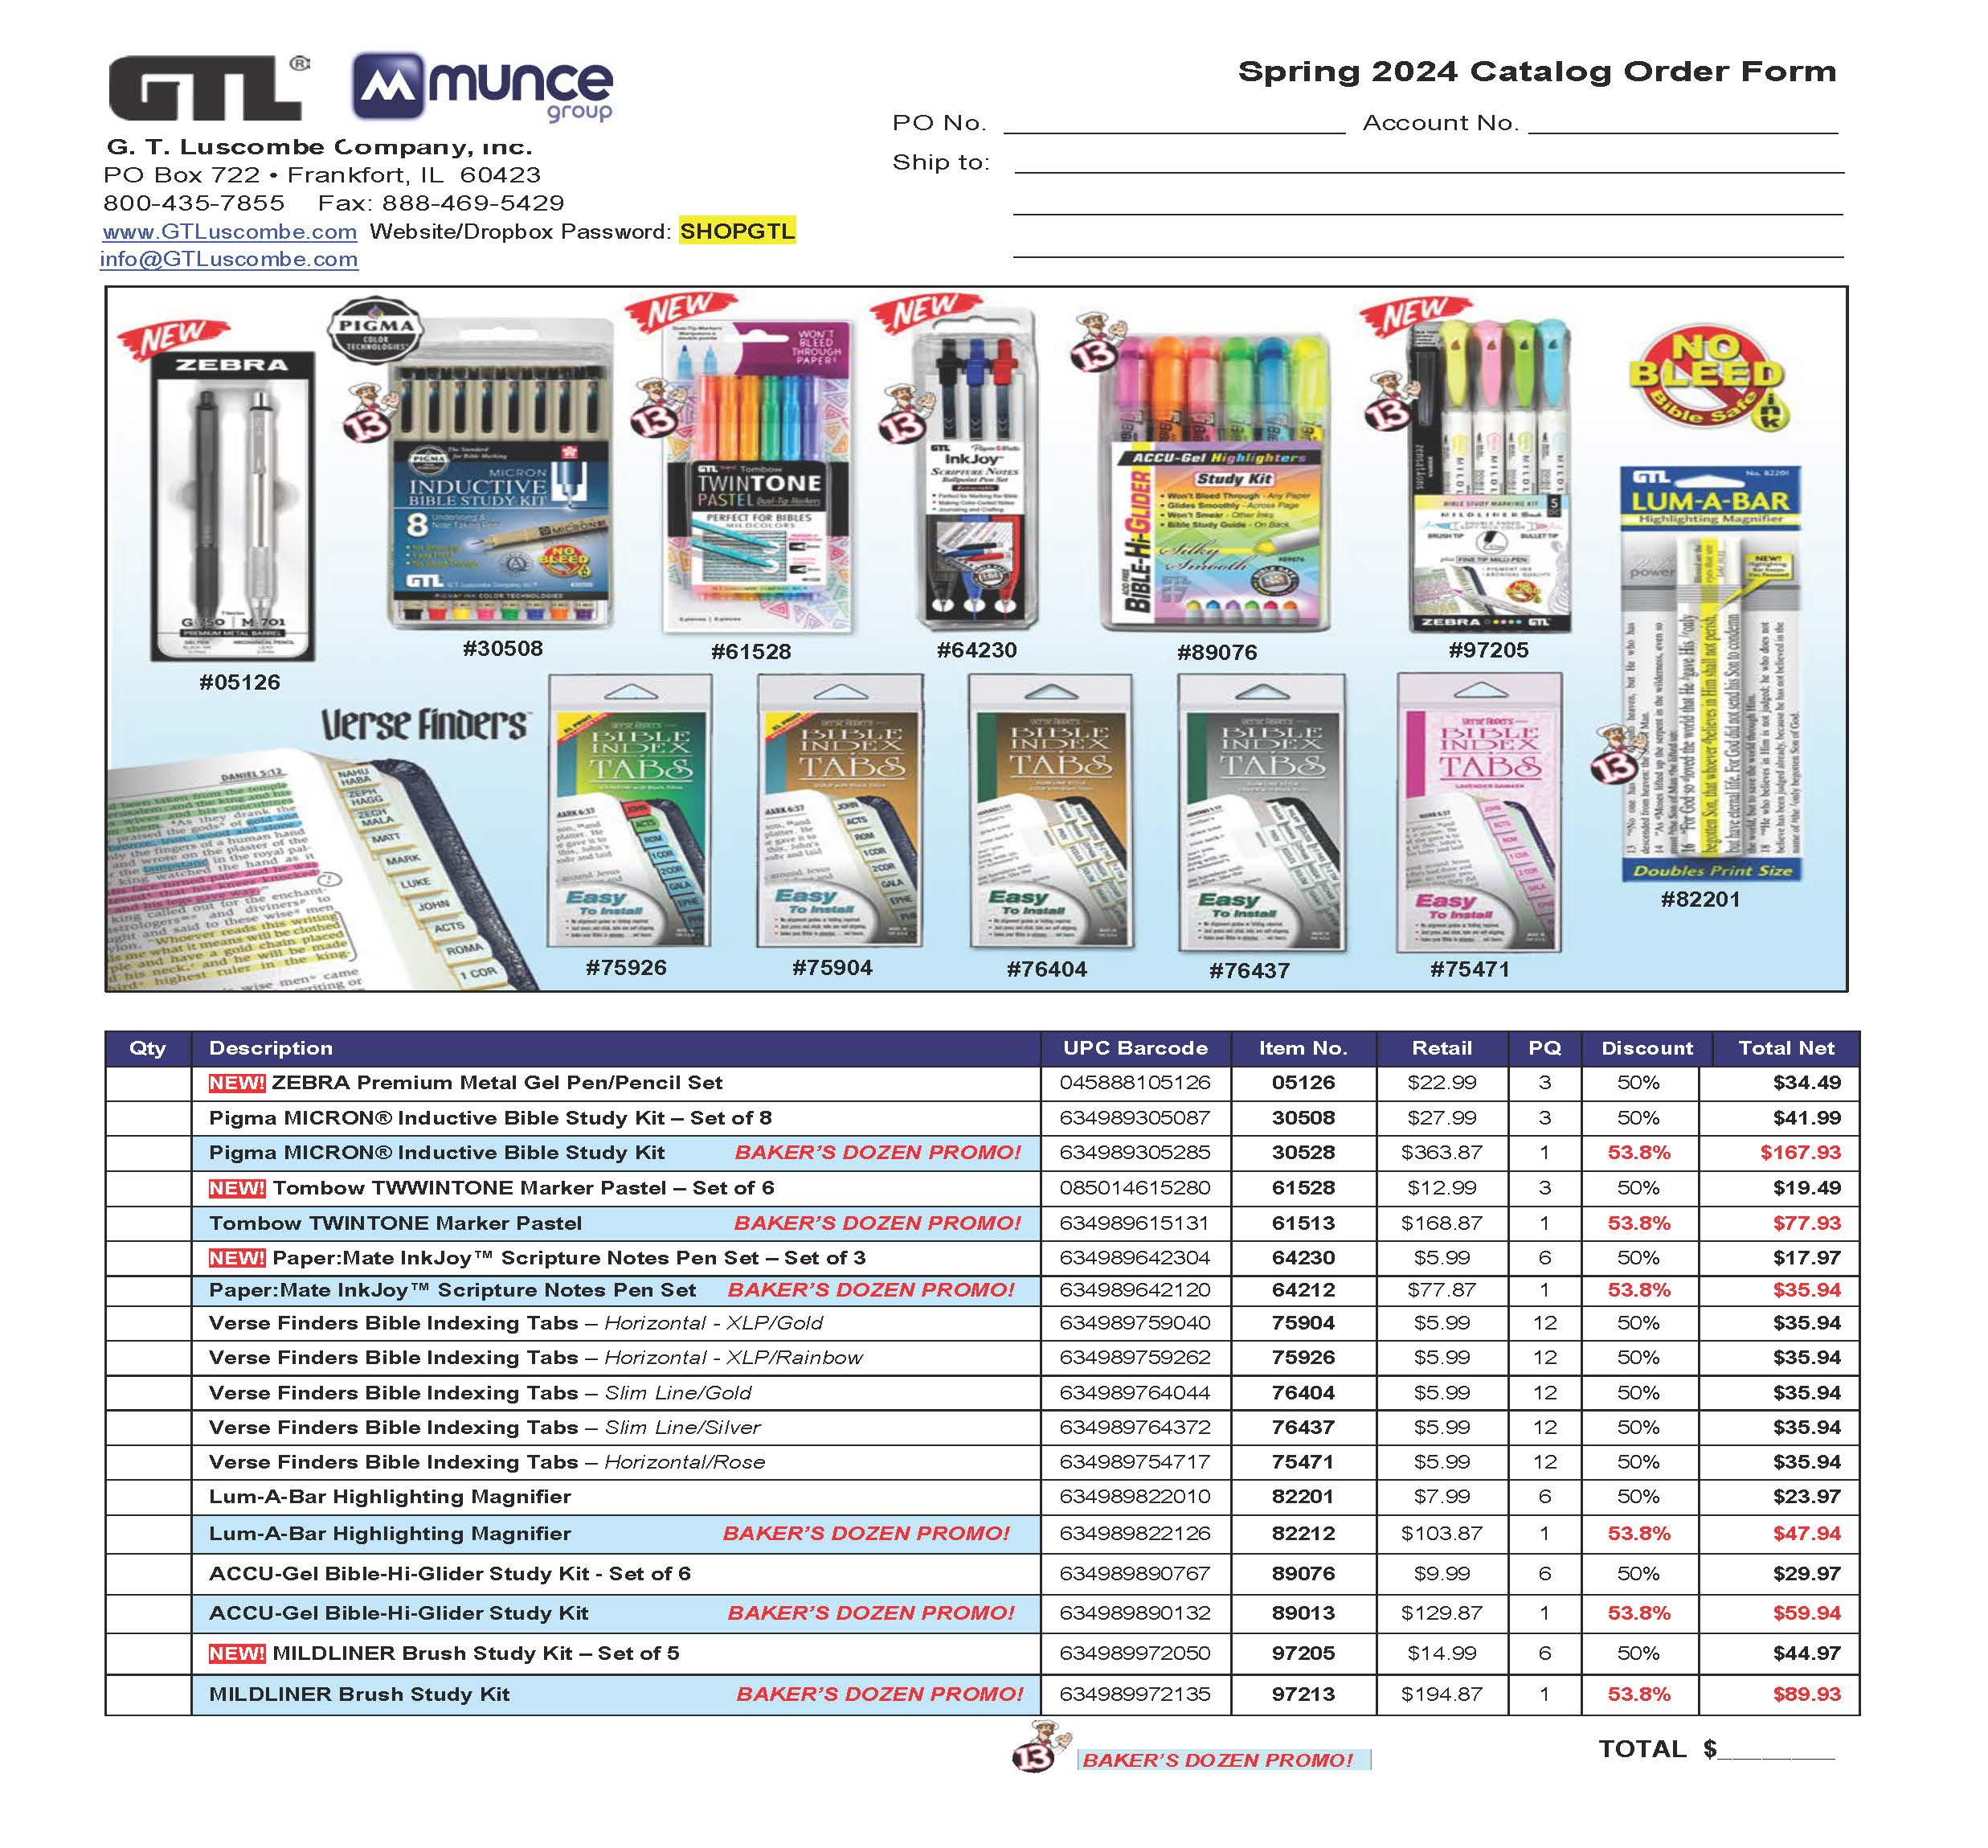

Tyndale

 | Tyndale House Publishers - Spring Sale Catalog 2024 (In Home Date 4/8/24)
 |  |  |  | Please return your order to your Tyndale Sales Rep.
Notes: Orders with 50+ units to qualify for free-freight and 60-day billing.
Discounts for New Releases: 1-2 copies = 50%; 3-5 = 52%; 6+ = 55%. You may add additional products of your choice to the bottom of this form and they will receive 48% and ship free-freight . Items with a discount of 70% or greater are non-returnable.
Prices are subject to Change and Backlist backordered items cancel and are excluded from this promotion
Account #
Store Name
Address
City, State
Phone
 | Buyer
 | Email |  |  |  |  | LL = Leather-Like; HC = Hardcover; SC = Softcover; LP = Large Print
 | PO#
ISBN | QTY | Title | Author/Color | Regular Retail Price | Binding | Product Type | Sugg. Sale Price | Discount | Case Qty | Release Date | Discount Start Date | Discount End Date | Comment
 |  | Bibles
9781496452993 |  | Every Woman's Filament Bible, NLT | Hardcover | $39.99 | HC | Bible | 30% | 3 units@65% |  | 2024-04-09 | 2/12/24 | 5/11/24
9781496453013 |  | Every Woman's Filament Bible, NLT | Soft Gold | $54.99 | LL | Bible | 30% | 3 units@65% |  |  | 2/12/24 | 5/11/24
9781496484383 |  | Every Woman's Filament Bible, NLT | Sky Blue | $54.99 | LL | Bible | 30% | 3 units@65% |  |  | 2/12/24 | 5/11/24
9781496452825 |  | Courage for Life Filament Bible for Women, NLT | Hardcover | $39.99 | HC | Bible | 30% | 3 units@60% | 10 |  | 2024-02-12 | 2024-05-11
9781496452849 |  | Courage for Life Filament Bible for Women, NLT | Softcover | $34.99 | SC | Bible | 30% | 3 units@60% | 10 |  | 2024-02-12 | 2024-05-11
9781496484796 |  | Raising Mentally Strong Kids | Daniel G. Amen, MD & Charles Fay, PHD | $27.99 | HC | Parenting | 40% | 6-11 units@60%, +12@65% | 24 | 2024-03-26 | 2024-02-12 | 2024-05-11
9781496483225 |  | Mom Heart Moments | Sally Clarkson | $26.99 | HC | Parenting | 30% | 3 units@60% 6 units@65% |  | 2024-04-09 | 2024-02-12 | 2024-05-11
9781496490643 |  | So God Made A Mother's Story | Leslie Means | $26.99 | HC | Gift Book | 30% | 6 units@60% |  | 2024-04-09 | 2024-02-12 | 2024-05-11
9781496437457 |  | All My Secrets | Lynn Austin | $17.99 | SC | Fiction | 40% | 6 units@65% | 16 |  | 2024-02-12 | 2024-05-11
9781641588492 |  | The Message for Graduates | Eugene H. Peterson | $12.99 | SC | Non-Fiction | 20% | 3 units @ 60% |  | 2024-04-09 | 2024-02-12 | 2024-05-11
 |  | Additional titles of your choosing…

