Sheet1
 |  |  CAPITOL CHRISTIAN MUSIC GROUP $5 PRESALE & STREET WEEK SALE FALL SALE CATALOG POST SALE CREDIT
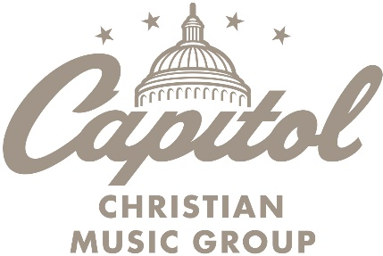

Page # | ISBN | Product | SRP | Sale Price | You paid | Avail. Credit | # Sold | Amount to be reported to Capitol | Notes
 | 602438574797 | Always | $13.99 | $5.00 | $8.39 | $5.39

 |  |  |  |  |  |  | TOTAL | $-

Store #
Store Name |  |  |  |  |  |  |  |  | Email to: service@munce.com
Contact Name |  |  |  |  |  |  |  |  | Fax to: 855-815-9277
Address |  |  |  |  |  |  |  |  | Must be received before: 10/17/2022
Address |  |  |  |  |  |  |  |  | Call 800-868-4388 x116 w/questions
City/ST/Zip

